Figure E1
Contents
 |  |  |  |  | Figure E1: Average years of life people spend in different states of ill health, England, 2010, 2019 and projected for 2040
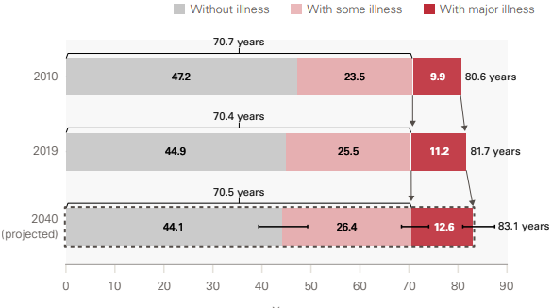

Year | Without illness | With some illness | With major illness | Life expectancy
2010 | 47.2 | 23.5 | 9.9 | 80.6
2019 | 44.9 | 25.5 | 11.2 | 81.7
2040 | 44.1 | 26.4 | 12.6 | 83.1

Source: Analysis of linked health care records and mortality data conducted by the REAL Centre and the University of Liverpool

Figure E2
Contents
 |  |  |  |  | Figure E2: The estimated number of people living with major illness in England, past and projected

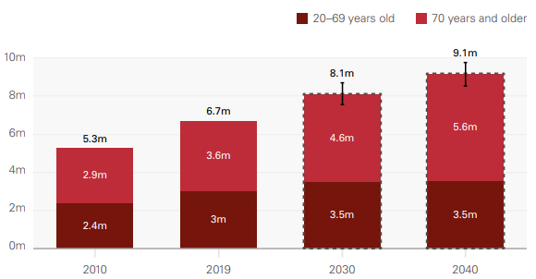

Age group | 2010 | 2019 | 2030 | 2040
20-69 years old | 2,377,186 | 3,040,585 | 3,506,619 | 3,543,279
70 years and older | 2,900,125 | 3,646,669 | 4,585,279 | 5,597,905
Total | 5,277,312 | 6,687,254 | 8,091,898 | 9,141,183

Source: Analysis of linked health care records and mortality data conducted by the REAL Centre and the University of Liverpool

Figure E3
Contents
 |  |  |  |  | Figure E3: Projected total number of diagnosed cases for the 10 conditions with the highest impact on health care use and mortality among those aged 30 years and older, including demographic changes, England, 2019 and projected for 2040

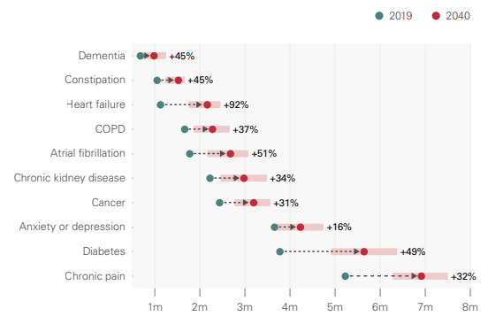

Condition | 2019 | 2040 | Change | Percentage change
Diabetes | 3774939.9532 | 5642544.1062 | 1867604 | 49%
Chronic pain | 5225297.5508 | 6912850.201 | 1687553 | 32%
Heart failure | 1125286.2906 | 2163806.5474 | 1038520 | 92%
Atrial fibrillation | 1774463.5295 | 2678115.5989 | 903652 | 51%
Chronic kidney disease | 2223434.9981 | 2977057.2903 | 753622 | 34%
Cancer | 2436907.1327 | 3193120.424 | 756213 | 31%
COPD | 1662217.6124 | 2279430.0815 | 617212 | 37%
Anxiety or depression | 3654785.7054 | 4230445.3307 | 575660 | 16%
Constipation | 1050604.9962 | 1522068.0488 | 471463 | 45%
Dementia | 678749 | 981742 | 302993 | 45%
Note: COPD is chronic obstructive pulmonary disease
Source: Analysis of linked health care records and mortality data conducted by the REAL Centre and the University of Liverpool

Figure 2
Contents
 |  |  |  |  | Figure 2: Proportion of people who reach a given age without major illness or dying, England, 2019 and projected for 2040

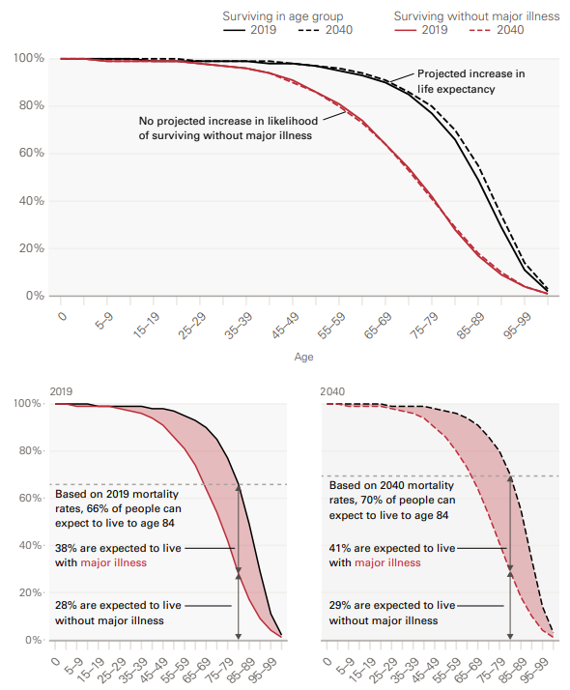

Age group | Surviving in age group |  | Surviving without major illness
 | 2019 | 2040 | 2019 | 2040
0 | 100% | 100% | 100% | 100%
01-04 | 100% | 100% | 100% | 100%
05-09 | 100% | 100% | 99% | 99%
10-14 | 100% | 100% | 99% | 99%
15-19 | 99% | 100% | 99% | 99%
20-24 | 99% | 100% | 99% | 99%
25-29 | 99% | 99% | 98% | 98%
30-34 | 99% | 99% | 97% | 97%
35-39 | 99% | 99% | 96% | 96%
40-44 | 98% | 99% | 94% | 94%
45-49 | 98% | 98% | 91% | 90%
50-54 | 97% | 97% | 86% | 86%
55-59 | 95% | 96% | 81% | 80%
60-64 | 93% | 94% | 74% | 73%
65-69 | 90% | 91% | 64% | 64%
70-74 | 85% | 86% | 54% | 53%
75-79 | 77% | 80% | 42% | 41%
80-84 | 66% | 70% | 28% | 29%
85-89 | 49% | 55% | 17% | 18%
90-94 | 29% | 34% | 9% | 10%
95-99 | 11% | 14% | 4% | 4%
100+ | 2% | 3% | 1% | 1%

Source: Analysis of linked health care records and mortality data conducted by the REAL Centre and the University of Liverpool

Figure 3
Contents
 |  |  |  |  | Figure 3: Projected changes to the population structure by 10-year age band, women and men, England, 2019 and projected for 2040

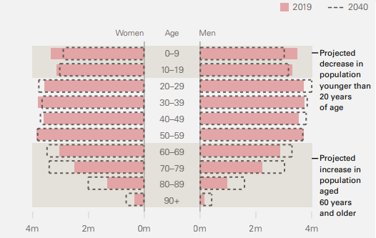

 | Women |  | Men
Age group | 2019 | 2040 | 2019 | 2040
0-9 | 3,332,160 | 2,860,453 | 3,505,683 | 3,003,331
10-19 | 3,137,305 | 2,987,164 | 3,307,173 | 3,157,889
20-29 | 3,563,429 | 3,738,632 | 3,725,843 | 4,000,844
30-39 | 3,791,933 | 3,622,535 | 3,749,663 | 3,837,278
40-49 | 3,590,620 | 3,680,472 | 3,539,489 | 3,799,057
50-59 | 3,841,571 | 3,780,337 | 3,736,541 | 3,677,610
60-69 | 3,028,537 | 3,444,238 | 2,880,038 | 3,284,161
70-79 | 2,489,152 | 3,366,266 | 2,230,860 | 3,014,899
80-89 | 1,333,384 | 1,963,687 | 986,307 | 1,565,336
90+ | 351,039 | 602,749 | 166,234 | 376,806

Source:
2020-based ONS principal population projections for England
ONS historical estimates of the population for the UK and constituent countries

Figure 4
Contents
 |  | Figure 4: Total Fertility Rate (TFR), England and Wales, 1940–2018

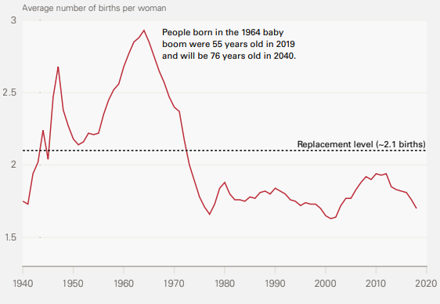

Year | Total Fertility Rate (TFR)
1940 | 1.75
1941 | 1.73
1942 | 1.94
1943 | 2.02
1944 | 2.24
1945 | 2.04
1946 | 2.47
1947 | 2.68
1948 | 2.38
1949 | 2.27
1950 | 2.18
1951 | 2.14
1952 | 2.16
1953 | 2.22
1954 | 2.21
1955 | 2.22
1956 | 2.35
1957 | 2.45
1958 | 2.52
1959 | 2.56
1960 | 2.68
1961 | 2.77
1962 | 2.85
1963 | 2.88
1964 | 2.93
1965 | 2.85
1966 | 2.75
1967 | 2.65
1968 | 2.57
1969 | 2.47
1970 | 2.4
1971 | 2.37
1972 | 2.17
1973 | 2
1974 | 1.89
1975 | 1.78
1976 | 1.71
1977 | 1.66
1978 | 1.73
1979 | 1.84
1980 | 1.88
1981 | 1.8
1982 | 1.76
1983 | 1.76
1984 | 1.75
1985 | 1.78
1986 | 1.77
1987 | 1.81
1988 | 1.82
1989 | 1.8
1990 | 1.84
1991 | 1.82
1992 | 1.8
1993 | 1.76
1994 | 1.75
1995 | 1.72
1996 | 1.74
1997 | 1.73
1998 | 1.73
1999 | 1.7
2000 | 1.65
2001 | 1.63
2002 | 1.64
2003 | 1.72
2004 | 1.77
2005 | 1.77
2006 | 1.83
2007 | 1.88
2008 | 1.92
2009 | 1.9
2010 | 1.94
2011 | 1.93
2012 | 1.94
2013 | 1.85
2014 | 1.83
2015 | 1.82
2016 | 1.81
2017 | 1.76
2018 | 1.7

Source:
ONS estimates of births in England and Wales

Figure 5
Contents
 |  |  |  |  | Figure 5: Population living with and without major illness, England, past and projected

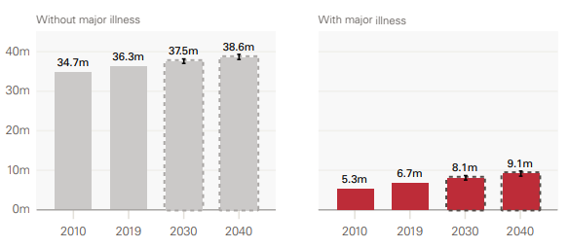

Illness state | 2010 | 2019 | 2030 | 2040
Without major illness | 34,697,925 | 36,317,386 | 37,511,270 | 38,613,724
With major illness | 5,277,312 | 6,687,254 | 8,091,898 | 9,141,183

Source: Analysis of linked health care records and mortality data conducted by the REAL Centre and the University of Liverpool

Figure 7
Contents
 |  |  | Figure 7: Projected changes in the average Cambridge Multimorbidity Score relative to 2019, including and excluding population changes, England, 2019–2040

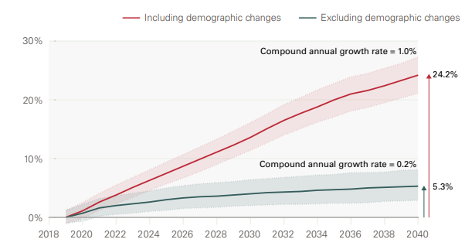

Year | Including demographic changes | Excluding demographic changes
2019 | 0.0% | 0.0%
2020 | 1.1% | 0.7%
2021 | 2.6% | 1.6%
2022 | 3.8% | 2.0%
2023 | 5.1% | 2.3%
2024 | 6.3% | 2.6%
2025 | 7.5% | 3.0%
2026 | 8.7% | 3.3%
2027 | 9.9% | 3.5%
2028 | 11.1% | 3.6%
2029 | 12.3% | 3.8%
2030 | 13.6% | 4.0%
2031 | 15.1% | 4.2%
2032 | 16.5% | 4.3%
2033 | 17.7% | 4.4%
2034 | 18.8% | 4.6%
2035 | 20.0% | 4.7%
2036 | 21.0% | 4.8%
2037 | 21.6% | 5.0%
2038 | 22.4% | 5.1%
2039 | 23.3% | 5.2%
2040 | 24.2% | 5.3%

Source: Analysis of linked health care records and mortality data conducted by the REAL Centre and the University of Liverpool

Figure 8
Contents
 |  |  | Figure 8: Average number of Cambridge Multimorbidity Score conditions by 5-year age groups for those aged 30 years and older, England, 2019 and projected for 2040

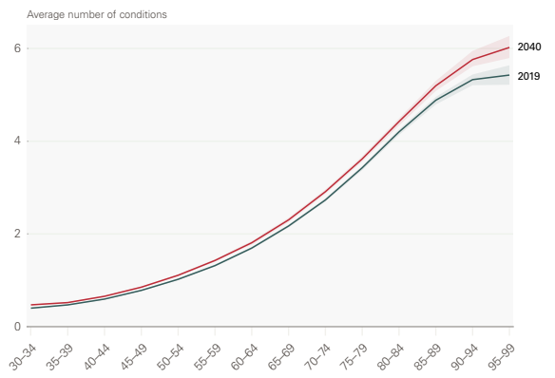

Age group | 2019 | 2040
30-34 | 0.4 | 0.5
35-39 | 0.5 | 0.5
40-44 | 0.6 | 0.7
45-49 | 0.8 | 0.9
50-54 | 1.0 | 1.1
55-59 | 1.3 | 1.4
60-64 | 1.7 | 1.8
65-69 | 2.2 | 2.3
70-74 | 2.7 | 2.9
75-79 | 3.4 | 3.6
80-84 | 4.2 | 4.4
85-89 | 4.9 | 5.2
90-94 | 5.3 | 5.8
95-99 | 5.4 | 6.0

Source: Analysis of linked health care records and mortality data conducted by the REAL Centre and the University of Liverpool

Figure 9
Contents
 |  |  | Figure 9: Projected percentage point changes in prevalence rates by condition for those aged 30 years and older, excluding and including demographic changes, England, 2019 and projected for 2040

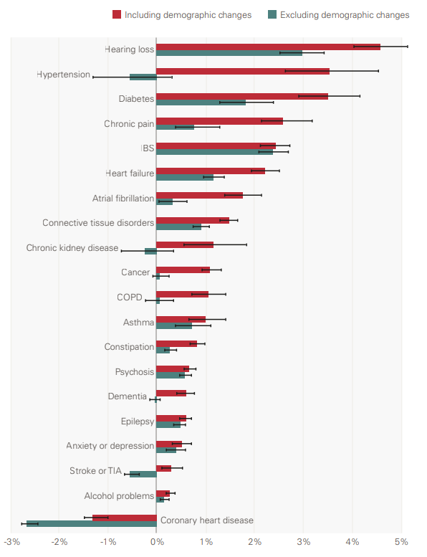

Condition | Excluding demographic changes | Including demographic changes
Coronary heart disease | -2.7% | -1.3%
Alcohol problems | 0.1% | 0.3%
Stroke or TIA | -0.6% | 0.3%
Anxiety or depression | 0.4% | 0.5%
Epilepsy | 0.5% | 0.6%
Dementia | 0.0% | 0.6%
Psychosis | 0.6% | 0.7%
Constipation | 0.3% | 0.8%
Asthma | 0.7% | 1.0%
COPD | 0.0% | 1.1%
Cancer | 0.1% | 1.1%
Chronic kidney disease | -0.3% | 1.1%
Connective tissue disorders | 0.9% | 1.5%
Atrial fibrillation | 0.3% | 1.8%
Heart failure | 1.2% | 2.2%
IBS | 2.4% | 2.4%
Chronic pain | 0.7% | 2.6%
Diabetes | 1.8% | 3.5%
Hypertension | -0.6% | 3.5%
Hearing loss | 3.0% | 4.6%
Note: TIA is transient ischaemic attack, COPD is chronic obstructive pulmonary disease, IBS is irritable bowel syndrome
Source: Analysis of linked health care records and mortality data conducted by the REAL Centre and the University of Liverpool

Figure 11
Contents
 |  |  | Figure 11: The rate of new cases compared with deaths for people with each condition aged 30 years and older, per head of population, England, 2019, standardised for age, sex and deprivation

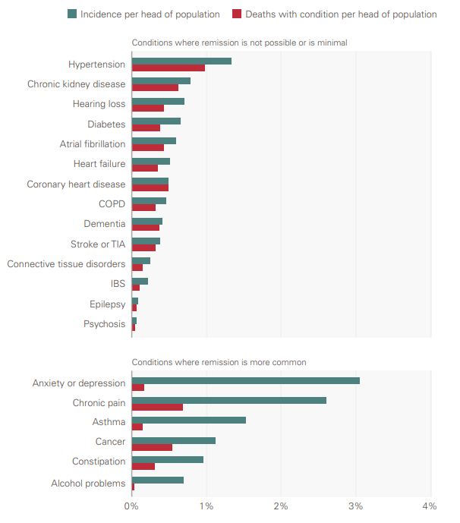

Condition | Incidence per head of population | Deaths with condition per head of population
Psychosis | 0.1% | 0.0%
Epilepsy | 0.1% | 0.1%
IBS | 0.2% | 0.1%
Connective tissue disorders | 0.2% | 0.1%
Stroke or TIA | 0.4% | 0.3%
Dementia | 0.4% | 0.4%
COPD | 0.5% | 0.3%
Coronary heart disease | 0.5% | 0.5%
Heart failure | 0.5% | 0.3%
Atrial fibrillation | 0.6% | 0.4%
Diabetes | 0.6% | 0.4%
Alcohol problems | 0.7% | 0.0%
Hearing loss | 0.7% | 0.4%
Chronic kidney disease | 0.8% | 0.6%
Constipation | 0.9% | 0.3%
Cancer | 1.1% | 0.5%
Hypertension | 1.3% | 1.0%
Asthma | 1.5% | 0.1%
Chronic pain | 2.6% | 0.7%
Anxiety or depression | 3.0% | 0.2%
Note: IBS is irritable bowel syndrome, TIA is transient ischaemic attack, COPD is chronic obstructive pulmonary disease
Source: Analysis of linked health care records and mortality data conducted by the REAL Centre and the University of Liverpool

Figure 12
Contents
 |  |  |  | Figure 12: Incidence, mortality (by any cause) and prevalence for type 2 diabetes patients aged 30 years and older, England, 2013–2040 (projected), standardised for age, sex and deprivation

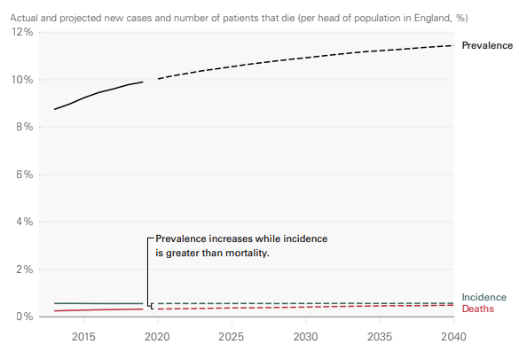

Year | Prevalence | Incidence | Deaths of people with type 2 diabetes
2013 | 8.7% | 0.6% | 0.3%
2014 | 9.0% | 0.6% | 0.3%
2015 | 9.2% | 0.6% | 0.3%
2016 | 9.5% | 0.6% | 0.3%
2017 | 9.6% | 0.6% | 0.3%
2018 | 9.8% | 0.6% | 0.3%
2019 | 9.9% | 0.6% | 0.3%
2020 | 10.0% | 0.6% | 0.3%
2021 | 10.2% | 0.6% | 0.3%
2022 | 10.3% | 0.6% | 0.3%
2023 | 10.4% | 0.6% | 0.4%
2024 | 10.5% | 0.6% | 0.4%
2025 | 10.6% | 0.6% | 0.4%
2026 | 10.6% | 0.6% | 0.4%
2027 | 10.7% | 0.6% | 0.4%
2028 | 10.8% | 0.6% | 0.4%
2029 | 10.9% | 0.6% | 0.4%
2030 | 10.9% | 0.6% | 0.4%
2031 | 11.0% | 0.6% | 0.4%
2032 | 11.1% | 0.6% | 0.4%
2033 | 11.1% | 0.6% | 0.4%
2034 | 11.2% | 0.6% | 0.5%
2035 | 11.2% | 0.6% | 0.5%
2036 | 11.3% | 0.6% | 0.5%
2037 | 11.3% | 0.6% | 0.5%
2038 | 11.4% | 0.6% | 0.5%
2039 | 11.4% | 0.6% | 0.5%
2040 | 11.4% | 0.6% | 0.5%

Source: Analysis of linked health care records and mortality data conducted by the REAL Centre and the University of Liverpool

Figure 13a
Contents
 |  |  |  |  | Figure 13a: Number of people with type 2 diabetes, England, 2019 and projected for 2040 (excluding and including the effect of demographic changes)

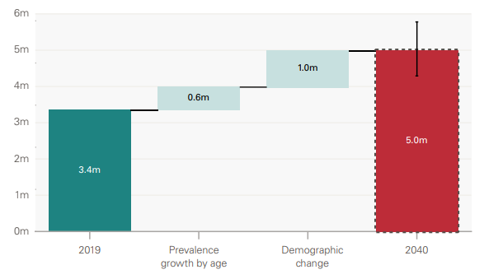

Number of people | 2019 | Prevalence growth by age | Demographic change | 2040
 | 3,369,834 | 627,776 | 1,001,547 | 4,999,157

Source: Analysis of linked health care records and mortality data conducted by the REAL Centre and the University of Liverpool

Figure 13b
Contents
 |  |  |  |  | Figure 13b: Number of people with dementia, England, 2019 and projected for 2040 (excluding and including the effect of demographic changes)
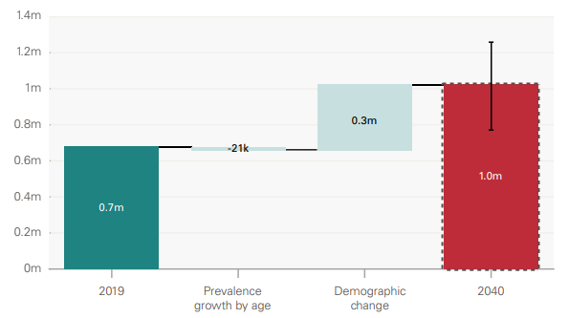

Number of people | 2019 | Prevalence growth by age | Demographic change | 2040
 | 678,749 | -20,930 | 323,923 | 981,742

Source: Analysis of linked health care records and mortality data conducted by the REAL Centre and the University of Liverpool

